Foglio1
BRAND | TYPE | UPCCODE | PHOTO | MODEL | COLOR | SIZE | POLARIZED | QTY | ORDER | RETAIL
RAY-BAN | SGS | 8056597377423 |  | 0RB2027 | 601S/BF | 62 |  | 7 |  | 145.00 €
RAY-BAN | SGS | 8053672401127 |  | 0RB2140 | 11744T | 50 |  | 14 |  | 172.00 €
RAY-BAN | SGS | 8053672731965 |  | 0RB3016M | 12197O | 51 |  | 16 |  | 312.00 €
RAY-BAN | SGS | 8056597139540 |  | 0RB3025 | 918731 | 62 |  | 47 |  | 163.00 €
RAY-BAN | SGS | 8056597139588 |  | 0RB3025 | 918831 | 58 |  | 109 |  | 163.00 €
RAY-BAN | SGS | 8056597139571 |  | 0RB3025 | 918831.00 | 62 |  | 21 |  | 163.00 €
RAY-BAN | SGS | 8053672251128 |  | 0RB3362 | 112/17 | 59 |  | 77 |  | 175.00 €
RAY-BAN | SGS | 8053672251111 |  | 0RB3362 | 112/4T | 59 |  | 76 |  | 175.00 €
RAY-BAN | SGS | 805289467250 |  | 0RB3387 | 003/68 | 64 |  | 38 |  | 165.00 €
RAY-BAN | SGS | 805289332596 |  | 0RB3413 | 004 | 59 |  | 73 |  | 195.00 €
RAY-BAN | SGS | 8053672507478 |  | 0RB3536 | 112/2Y | 55 |  | 1 |  | 155.00 €
RAY-BAN | SGS | 8053672587692 |  | 0RB3539 | 112/T5 | 54 | X | 76 |  | 175.00 €
RAY-BAN | SGS | 8053672879032 |  | 0RB3549 | 002/T3 | 61 | X | 55 |  | 213.00 €
RAY-BAN | SGS | 8053672749397 |  | 0RB3565D | 041/2Y | 56 |  | 8 |  | 165.00 €
RAY-BAN | SGS | 8053672879230 |  | 0RB3574N | 153/11 | 59 |  | 2 |  | 185.00 €
RAY-BAN | SGS | 8053672879322 |  | 0RB3574N | 9035V0 | 59 |  | 36 |  | 195.00 €
RAY-BAN | SGS | 8053672879384 |  | 0RB3576N | 043/X0 | 41 |  | 47 |  | 195.00 €
RAY-BAN | SGS | 8053672879407 |  | 0RB3576N | 9039V0 | 41 |  | 41 |  | 195.00 €
RAY-BAN | SGS | 8053672771244 |  | 0RB3580N | 042/30 | 43 |  | 32 |  | 195.00 €
RAY-BAN | SGS | 8053672771213 |  | 0RB3580N | 153/7V | 43 |  | 33 |  | 195.00 €
RAY-BAN | SGS | 8053672771220 |  | 0RB3580N | 90377J | 43 |  | 14 |  | 195.00 €
RAY-BAN | SGS | 8056597377478 |  | 0RB3689 | 9148/BF | 58 |  | 28 |  | 163.00 €
RAY-BAN | SGS | 8056597243445 |  | 0RB3946 | 1304/31 | 52 |  | 17 |  | 155.00 €
RAY-BAN | SGS | 8056597533447 |  | 0RB3957 | 002/58 | 49 | X | 67 |  | 205.00 €
RAY-BAN | SGS | 8053672044522 |  | 0RB4105 | 601969.00 | 50 |  | 62 |  | 175.00 €
RAY-BAN | SGS | 8053672044539 |  | 0RB4105 | 601969.00 | 54 |  | 26 |  | 175.00 €
RAY-BAN | SGS | 8053672044560 |  | 0RB4105 | 602119.00 | 50 |  | 62 |  | 175.00 €
RAY-BAN | SGS | 8053672044577 |  | 0RB4105 | 602119.00 | 54 |  | 34 |  | 175.00 €
RAY-BAN | SGS | 8053672162592 |  | 0RB4105 | 605193.00 | 50 |  | 75 |  | 175.00 €
RAY-BAN | SGS | 8053672430561 |  | 0RB4105 | 601S2K | 50 |  | 31 |  | 175.00 €
RAY-BAN | SGS | 805289742463 | 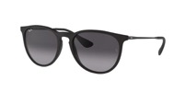 | 0RB4171 | 622/8G | 54 |  | 20 |  | 147.00 €
RAY-BAN | SGS | 8053672793642 | 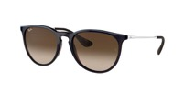 | 0RB4171 | 631513 | 54 |  | 20 |  | 147.00 €
RAY-BAN | SGS | 8053672475920 | 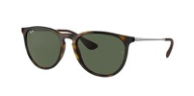 | 0RB4171 | 710/71 | 54 |  | 20 |  | 137.00 €
RAY-BAN | SGS | 8053672210644 |  | 0RB4187 | 60823R | 54 |  | 5 |  | 155.00 €
RAY-BAN | SGS | 8053672006346 |  | 0RB4191 | 601/71 | 57 |  | 31 |  | 145.00 €
RAY-BAN | SGS | 8053672467215 | 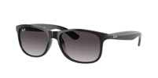 | 0RB4202 | 601/8G | 55 |  | 20 |  | 147.00 €
RAY-BAN | SGS | 8053672188868 | 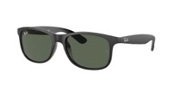 | 0RB4202 | 606971 | 55 |  | 20 |  | 137.00 €
RAY-BAN | SGS | 8053672188905 | 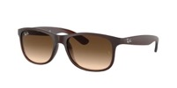 | 0RB4202 | 607313 | 55 |  | 20 |  | 147.00 €
RAY-BAN | SGS | 8053672732795 |  | 0RB4246 | 1222/C2 | 51 |  | 39 |  | 185.00 €
RAY-BAN | SGS | 8053672687972 |  | 0RB4257F | 6266B0 | 55 |  | 1 |  | 175.00 €
RAY-BAN | SGS | 8053672650297 |  | 0RB4346 | 990/33 | 51 |  | 48 |  | 155.00 €
RAY-BAN | SGS | 8056597626583 | 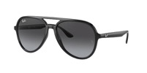 | 0RB4376 | 601/8G | 57 |  | 20 |  | 147.00 €
RAY-BAN | SGS | 8056597626620 | 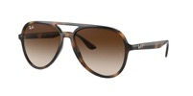 | 0RB4376 | 710/13 | 57 |  | 20 |  | 147.00 €
RAY-BAN | SGS | 8056597856171 | 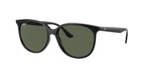 | 0RB4378 | 601/71 | 54 |  | 20 |  | 137.00 €
RAY-BAN | SGS | 8056597626859 | 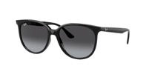 | 0RB4378 | 601/8G | 54 |  | 20 |  | 147.00 €
RAY-BAN | SGS | 8056597626897 | 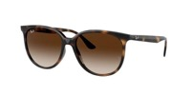 | 0RB4378 | 710/13 | 54 |  | 20 |  | 147.00 €
RAY-BAN | SGS | 8056597856195 | 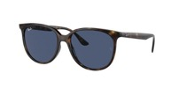 | 0RB4378 | 710/80 | 54 |  | 20 |  | 137.00 €
RAY-BAN | SGS | 8056262526187 | 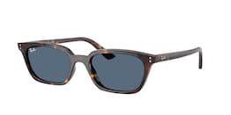 | 0RB4456 | 135980.00 | 53 |  | 20 |  | 137.00 €
RAY-BAN | SGS | 8056262453933 | 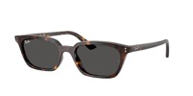 | 0RB4456 | 135987 | 53 |  | 20 |  | 137.00 €
RAY-BAN | SGS | 8056262454138 | 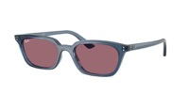 | 0RB4456 | 68121A | 53 |  | 20 |  | 137.00 €
TOTAL |  |  |  |  |  |  |  | 1649

